Form
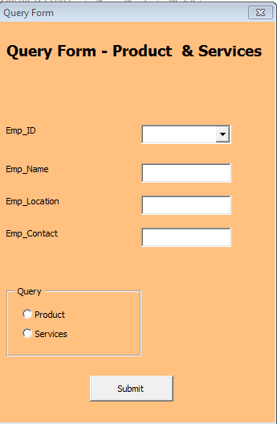

XYZ Pvt. Ltd
Product | Services
Ramesh | Rakesh

 |  | ID | Combobox
 |  | Name | Text Box
 |  | Contact | Text Box
 |  | City | Text Box
 |  | Product | Option Button
 |  | Service | Option Button

